Internet Pricing
All orders sent twice without labeled "duplicate" will be invoiced twice.
Internet Price List
Phone: 330.893.2809 | Fax: 330.893.4809
Price List Effective January 20, 2026
Product Photo | Product Name | Depth | Width | Height | Weight | Finish | Materials | SKU | Internet Prices
 |  |  |  |  |  |  |  |  | Wholesale | MAP | MSRP
 | Adirondack Chair | 30" | 31" | 40" | 40 | Natural | Cypress | C1450 | $142.00 | $258.00 | $405.00
 |  | 30" | 31" | 40" | 48 |  | Treated Pine | T1450 | $142.00 | $258.00 | $405.00
 | Footrest | 22" | 21" | 23" | 14 |  | Cypress | C1460 | $49.00 | $89.00 | $140.00
 |  | 22" | 21" | 23" | 15 |  | Treated Pine | T1460 | $49.00 | $89.00 | $140.00
 | 5 Ft Classic Grandpa Swing | 25" | 59" | 21" | 42 | Natural | Cypress | C1514 | $129.00 | $234.00 | $369.00
 | 5 Ft Classic Grandpa Swing | 25" | 59" | 21" | 42 | Natural | Treated Pine | T1514 | $112.00 | $203.00 | $320.00
 | 4 Ft Grandpa Swing | 29" | 50" | 24" | 50 | Natural | Cypress | C3400 | $169.00 | $307.00 | $482.00
 |  |  |  |  |  |  | Treated Pine | T6400 | $169.00 | $307.00 | $482.00
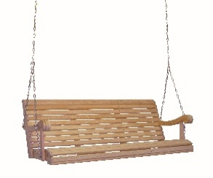 | 5 Ft Grandpa Swing | 29" | 62" | 24" | 65 | Natural | Cypress | C3500 | $209.00 | $380.00 | $597.00
 |  |  |  |  |  |  | Treated Pine | T6500 | $209.00 | $380.00 | $597.00
 | Rocker | 28" | 34" | 42" | 26 | Natural | Cypress | C6100 | $161.00 | $292.00 | $460.00

 | Johnstown Swing | 25" | 47" | 22" | 28 | Natural | Cypress | C4725 | $92.00 | $167.00 | $262.00
 | Potting Table | 24" | 49" | 57" | 97 | Natural | Cypress | C7300 | $294.00 | $534.00 | $840.00
Product Photo | Product Name | Depth | Width | Height | Weight | Finish | Materials | SKU | Internet Prices
 |  |  |  |  |  |  |  |  | Wholesale | MAP | MSRP
 | Garden Table | 21 1/2" | 43 !/2" | 50 1/2" | 53 | Natural | Cypress | C7162 | $180.00 | $327.00 | $514.00
 | Royal Garden Bench | 24" | 56" | 41" | 45 | Natural | Cypress | C7500 | $264.00 | $480.00 | $752.00
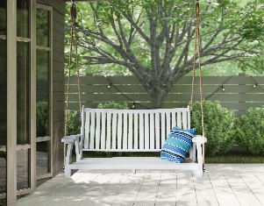 | 4' Royal Rope Swing | 20 1/4" | 23" |  | 12 | Natural | Cypress | C7524 | $355.00 | $645.00 | $1,014.00
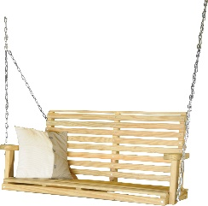 | 4' Classic Swing | 20" | 48" | 23" | 44 | Natural | Treated Pine | T1118 | $99.00 | $180.00 | $282.00
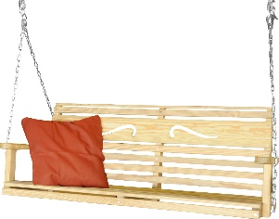 | 5' Scroll Swing | 20" | 61" | 23" | 50 | Natural | Treated Pine | T1132 | $118.00 | $214.00 | $337.00
 | Rope Kit for Swings |  |  |  |  | N/A | Rope Kit | RK3856 | $77.00 | $140.00 | $220.00
 | Cricket Chair | 34" | 23" | 35" | 15 | Natural | Cypress | C7800 | $64.00 | $116.00 | $182.00
 | A Frame | 53" | 83" | 69" | 65 | Natural | Treated Pine | T4750 | $156.00 | $283.00 | $445.00
 | Summertown Chair | 33" | 29" | 36" | 30 | White | White | P1770WHT | $119.00 | $216.00 | $340.00
 | Summertown Chair | 33" | 29" | 36" | 30 | Black | Black | P1770BLK | $104.00 | $189.00 | $297.00
Product Photo | Product Name | Depth | Width | Height | Weight | Finish | Materials | SKU | Internet Prices
 |  |  |  |  |  |  |  |  | Wholesale | MAP | MSRP
 | Stainless Steel Springs |  |  |  |  | N/A | Stainless Steel | SS100 | $38.00 | $69.00 | $108.00
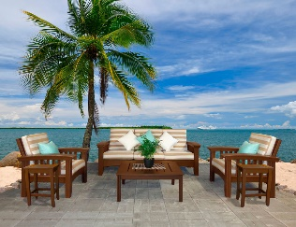 | Deep seating (Six Piece Set) | 1 pallet: 88" | 44" | 60" | Shipping Size: 600 | Painted | Cypress | CDE600 | $2,280.00 | $3,750.00 | $6,514.00
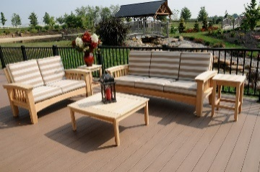 | Deep Seating (Five Piece Set) | Shipping: 88" | 44" | 60" | 600 | Natural | Cypress | CDE500 | $1,851.00 | $3,085.00 | $5,290.00
 |  |  |  |  |  | Painted |  |  | $2,085.00 | $3,475.00 | $5,957.00
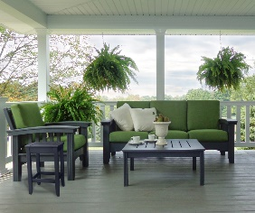 | Deep Seating (Four Piece Set) | Shipping: 88" | 44" | 42" | 450 | Painted | Cypress | CDE400 | $1,722.00 | $2,989.00 | $4,920.00
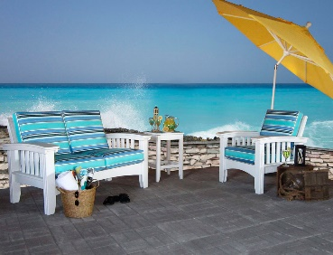 | Deep Seating (Three Piece Set) | Shipping: 64" | 44" | 42" | 350 | Painted | Cypress | CDE300 | $1,337.00 | $2,389.00 | $3,820.00
 | Mission Sofa | Actual: 88'' | 44" | 42" | 300 | Natural | Cypress | C2DE79 | $929.00 | $1,549.00 | $2,654.00
 |  |  |  |  |  | Painted |  |  | $999.00 | $1,669.00 | $2,854.00
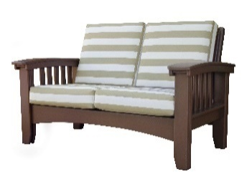 | Mission Lounge | Actual: 64" | 44" | 42" | 240 | Natural | Cypress | C2DE56 | $719.00 | $1,239.00 | $2,054.00
 |  |  |  |  |  | Painted |  |  | $789.00 | $1,349.00 | $2,254.00
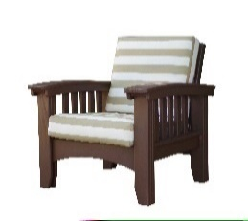 | Mission Chair | Actual: 48" | 42" | 42" | 170 | Natural | Cypress | C2DE32 | $439.00 | $729.00 | $1,254.00
 |  |  |  |  |  | Painted |  |  | $499.00 | $849.00 | $1,425.00
 | Conversation Table | Actual: 48" | 42" | 22" | 125 | Natural | Cypress | C2DE36 | $129.00 | $219.00 | $368.00
 |  |  |  |  |  | Painted |  |  | $159.00 | $279.00 | $454.00
 | Accent Table | 18" | 18" | 25" | 40 | Natural | Cypress | C2DE18 | $84.00 | $146.00 | $240.00
 |  |  |  |  |  | Painted |  |  | $114.00 | $194.00 | $325.00
Product Photo | Product Name | Depth | Width | Height | Weight | Finish | Materials | SKU | Internet Prices
 |  |  |  |  |  |  |  |  | Wholesale | MAP | MSRP
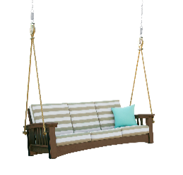 | Mission Sofa Rope Swing | 42" | 86" | 55'' | 300 | Natural | Cypress | C2DE79RS | $1,105.00 | $1,998.00 | $3,025.00
 |  |  |  |  |  | Painted |  |  | $1,175.00 | $2,136.00 | $3,112.00
 | Mission Lounge Rope Swing | 60" | 44" | 55'' | 240 | Natural | Cypress | C2DE56RS | $879.00 | $1,598.00 | $2,230.00
 |  |  |  |  |  | Painted |  |  | $949.00 | $1,725.00 | $2,407.00
 | Poly Sofa Rope Swing | 42" | 86" | 55'' | 330 | N/A | Poly | POLY2DE79RS | $1,420.00 | $2,366.00 | $3,995.00
 | Poly Lounge Rope Swing | 60" | 44" | 55'' | 265 | N/A | Poly | POLY2DE56RS | $1,138.00 | $1,896.00 | $3,175.00
 | 5 Ft Poly Grandpa Swing | 29" | 62" | 24" | 90 | Light Gray/Black WW/Choc Lime Green/Black Charcoal/Black WW/Black Aruba Blue/Black | Poly | POLY35 | $443.00 | $738.00 | $1,107.00
 | 5 Ft Poly Galaxy Swing | 24" | 69" | 25" | 82 | CH-WW: Chocolate/Weatherwood BL-CHAR: Black/Charcoal BL-LG: Black/Light Gray BL-BL: Black WH-WH: White | Poly | POLYX5 | $426.00 | $710.00 | $1,065.00
 | 5 Ft Poly Galaxy Swing | 24" | 69" | 25" | 82 | BL-BIR: Black/Birchwood BZ-BZ: Brazilian Walnut AM-AM: Antique Mahogany CO-CO: Coastal Gray | Poly | POLYX5 | $489.00 | $815.00 | $1,222.00
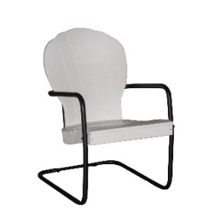 | Manchester Chairs | 27" | 23" | 37" | 35 | BR: Bright Red LG: Lime Green AB: Aruba Blue Char: Charcoal CY: Cherry WW: Weatherwood Choc: Chocolate WE: White Cedar | Poly | R50ARM | $356.00 | $587.00 | $980.00
 | Retro Side Table | 16" | 16" | 21 1/2" | 7 | BR: Bright Red LG: Lime Green AB: Aruba Blue Char: Charcoal CY: Cherry WW: Weatherwood Choc: Chocolate WE: White Cedar | Poly | R16T | $116.00 | $191.00 | $290.00
Product Photo | Product Name | Depth | Width | Height | Weight | Finish | Materials | SKU | Internet Prices
 |  |  |  |  |  |  |  |  | Wholesale | MAP | MSRP
 | 4ft Boston Poly Swing | 48" | 26" | 22" | 45 | WW/Black Charcoal/Black White/WHIte Black/Black | Poly | 73903 | $213.00 | $387.00 | $608.00
 | 16" Pillows | - | 16" | 16" |  | Brannon Redwood, Canvas Granite, Cast Ash, Dolce Oasis, Direction Linen, Gateway Mist, Harwood Crimson, Heather Beige, Linen Sesame, Milano Char, Natural Canvas, Peyton Granite, Spectrum Carbon Spectrum Cilantro Cast Breeze Blue Point Cement |  | C2DEP | $31.00 | $56.00 | $88.00
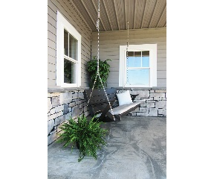 | 5ft Cushion Pads for Swings |  |  |  |  | Brannon Redwood, Canvas Granite, Cast Ash, Dolce Oasis, Direction Linen, Gateway Mist, Harwood Crimson, Heather Beige, Linen Sesame, Milano Char, Natural Canvas, Peyton Granite, Spectrum Carbon Spectrum Cilantro Cast Breeze Blue Point Cement |  |  | $130.00 | $236.00 | $371.00
 | Aurora End Table | 16" | 16" | 18" |  | WW: Weatherwood WE: White BL: Black Choc: Chocolate | Poly | POLYAR1616 | $99.00 | $180.00 | $282.00
 | Aurora Coffee Table | 22" | 34" | 16" |  | WW: Weatherwood WE: White BL: Black Choc: Chocolate | Poly | POLYAR2234 | $218.00 | $396.00 | $622.00
 | Aurora Sofa Swing | 42" | 86" | 55" | 300 | WW: Weatherwood WE: White BL: Black Choc: Chocolate | Poly | POLYAR76RS | $1,389.00 | $2,498.00 | $3,172.00
 | Aurora Lounge Swing | 60" | 44" | 55" | 240 | WW: Weatherwood WE: White BL: Black Choc: Chocolate | Poly | POLYAR53RS | $1,117.00 | $1,998.00 | $2,792.00
 | Aurora Sofa | 42" | 86" | 55" | 330 | WW: Weatherwood WE: White BL: Black Choc: Chocolate | Poly | POLYAR76 | $1,215.00 | $2,195.00 | $3,037.00
 | Aurora Lounge | 60" | 44" | 55" | 265 | WW: Weatherwood WE: White BL: Black Choc: Chocolate | Poly | POLYAR53 | $938.00 | $1,698.00 | $2,345.00
 | Aurora Chair | 48" | 42" | 42" | 170 | WW: Weatherwood WE: White BL: Black Choc: Chocolate | Poly | POLYAR30 | $579.00 | $998.00 | $1,654.00
Product Photo | Product Name | Depth | Width | Height | Weight | Finish | Materials | SKU | Internet Prices
 |  |  |  |  |  |  |  |  | Wholesale | Woodgrains/Brights | Map | MSRP | MSRP
 | Eclipse Dining Table | 44" | 72" | 30" |  | Black, Braz Walnut, It Gray, Charcoal, White, Coastal Gray, Driftwood, Weatherwood, Chocolate,Antique Mahogany | Poly | P4472D | $736.00 | $812.00 | $1,376.00 | $2,102.00 | 2102
 | Eclipse Counter Table | 44" | 72" | 36" |  | Black, Braz Walnut, It Gray, Charcoal, White, Coastal Gray, Driftwood, Weatherwood, Chocolate,Antique Mahogany | Poly | P4472C | $833.00 | $937.00 | $1,558.00 | $2,380.00 | 2380
 | Eclipse Bar Table | 44" | 72" | 42" |  | Black, Braz Walnut, It Gray, Charcoal, White, Coastal Gray, Driftwood, Weatherwood, Chocolate,Antique Mahogany | Poly | P4472B | $865.00 | $951.00 | $1,618.00 | $2,471.00 | 2471
 | Eclipse Dining Table | 44" | 44" | 30" |  | Black, Braz Walnut, It Gray, Charcoal, White, Coastal Gray, Driftwood, Weatherwood, Chocolate,Antique Mahogany | Poly | P4444D | $551.00 | $629.00 | $1,030.00 | $1,574.00 | 1574
 | Eclipse Counter Table | 44" | 44" | 36" |  | Black, Braz Walnut, It Gray, Charcoal, White, Coastal Gray, Driftwood, Weatherwood, Chocolate,Antique Mahogany | Poly | P4444C | $619.00 | $705.00 | $1,158.00 | $1,769.00 | 1769
 | Eclipse Bar Table | 44" | 44" | 42" |  | Black, Braz Walnut, It Gray, Charcoal, White, Coastal Gray, Driftwood, Weatherwood, Chocolate,Antique Mahogany | Poly | P4444B | $635.00 | $726.00 | $1,188.00 | $1,814.00 | 1814
 | Eclipse Dining Table | 33" | 33" | 30" |  | Black, Braz Walnut, It Gray, Charcoal, White, Coastal Gray, Driftwood, Weatherwood, Chocolate,Antique Mahogany | Poly | P3333D | $287.00 | $330.00 | $519.00 | $820.00 | 820
 | Eclipse Counter Table | 33" | 33" | 36" |  | Black, Braz Walnut, It Gray, Charcoal, White, Coastal Gray, Driftwood, Weatherwood, Chocolate,Antique Mahogany | Poly | P3333C | $297.00 | $341.00 | $540.00 | $848.00 | 848
 | Eclipse Bar Table | 33" | 33" | 42" |  | Black, Braz Walnut, It Gray, Charcoal, White, Coastal Gray, Driftwood, Weatherwood, Chocolate,Antique Mahogany | Poly | P3333B | $314.00 | $361.00 | $510.00 | $897.00 | 897
Product Photo | Product Name | Depth | Width | Height | Weight | Finish | Materials | SKU | Internet Prices
 |  |  |  |  |  |  |  |  | Wholesale | Woodgrains/Brights | Map | MSRP | MSRP
 | Eclipse Dining Table | 28" | 28" | 30" |  | Black, Braz Walnut, It Gray, Charcoal, White, Coastal Gray, Driftwood, Weatherwood, Chocolate,Antique Mahogany | Poly | P2828D | $251.00 | $287.00 | $456.00 | $717.00 | 717
 | Eclipse Counter Table | 28" | 28" | 36" |  | Black, Braz Walnut, It Gray, Charcoal, White, Coastal Gray, Driftwood, Weatherwood, Chocolate,Antique Mahogany | Poly | P2828C | $259.00 | $296.00 | $470.00 | $740.00 | 740
 | Eclipse Bar Table | 28" | 28" | 42" |  | Black, Braz Walnut, It Gray, Charcoal, White, Coastal Gray, Driftwood, Weatherwood, Chocolate,Antique Mahogany | Poly | P2828B | $267.00 | $303.00 | $485.00 | $762.00 | 762
 | Shadow Dining Chair | 26" | 25 1/2" | 37 1/2" |  | Black, Braz Walnut, It Gray, Charcoal, White, Coastal Gray, Driftwood, Weatherwood, Chocolate,Antique Mahogany | Poly | P4018D | $159.00 | $186.00 | $298.00 | $454.00 | 454
 | Shadow Counter Chair | 30" | 25 1/2" | 43 1/2" |  | Black, Braz Walnut, It Gray, Charcoal, White, Coastal Gray, Driftwood, Weatherwood, Chocolate,Antique Mahogany | Poly | P4024C | $202.00 | $233.00 | $378.00 | $577.00 | 577
 | Shadow Bar Chair | 32" | 25 1/2" | 49 1/2" |  | Black, Braz Walnut, It Gray, Charcoal, White, Coastal Gray, Driftwood, Weatherwood, Chocolate,Antique Mahogany | Poly | P4030B | $218.00 | $245.00 | $408.00 | $622.00 | 622
 | Shadow Swivel Dining Chair | 25" | 25 1/2" | 37 1/2" |  | Black, Braz Walnut, It Gray, Charcoal, White, Coastal Gray, Driftwood, Weatherwood, Chocolate,Antique Mahogany | Poly | P4018SD | $319.00 | $360.00 | $558.00 | $911.00 | 911
 | Shadow Swivel Counter Chair | 26" | 25 1/2" | 43 1/2" |  | Black, Braz Walnut, It Gray, Charcoal, White, Coastal Gray, Driftwood, Weatherwood, Chocolate,Antique Mahogany | Poly | P4024SC | $341.00 | $382.00 | $598.00 | $974.00 | 974
 | Shadow Swivel Bar Chair | 26" | 25 1/2" | 49 1/2" |  | Black, Braz Walnut, It Gray, Charcoal, White, Coastal Gray, Driftwood, Weatherwood, Chocolate,Antique Mahogany | Poly | P4030SB | $359.00 | $402.00 | $672.00 | $1,025.00 | 1025
Product Photo | Product Name | Depth | Width | Height | Weight | Finish | Materials | SKU | Internet Prices
 |  |  |  |  |  |  |  |  | Wholesale | Woodgrains/Brights | Map | MSRP | MSRP
 | Shadow Armless Dining Chair | 26" | 25 1/2" | 37 1/2" |  | Black, Braz Walnut, It Gray, Charcoal, White, Coastal Gray, Driftwood, Weatherwood, Chocolate,Antique Mahogany | Poly | P5018D | $154.00 | $176.00 | $280.00 | $440.00 | 440
 | Shadow Armless Counter Chair | 26" | 25 1/2" | 43 1/2" |  | Black, Braz Walnut, It Gray, Charcoal, White, Coastal Gray, Driftwood, Weatherwood, Chocolate,Antique Mahogany | Poly | P5024C | $186.00 | $214.00 | $338.00 | $531.00 | 531
 | Shadow Armless Bar Chair | 26" | 25 1/2" | 49 1/2" |  | Black, Braz Walnut, It Gray, Charcoal, White, Coastal Gray, Driftwood, Weatherwood, Chocolate,Antique Mahogany | Poly | P5030B | $207.00 | $234.00 | $376.00 | $591.00 | 591
Allow 6 weeks for Eclipse & Shadow ship dates.

